Main
Ticker | NKTR | REZOLVE-AD Phase 2b |  |  |  |  | NKTR-255
Price | 59.24 | rezpegaldesleukin |  |  |  |  | Solid Tumors and Large B-Cell Lymphoma
S/O | 14,087,307 | NCT06136741. |  | Atopic Dermatitis |  |  | NCT05327530
Mkt Cap | 834,532,067 | NCT06340360. |  | Alopecia Areata |  |  | NCT05632809
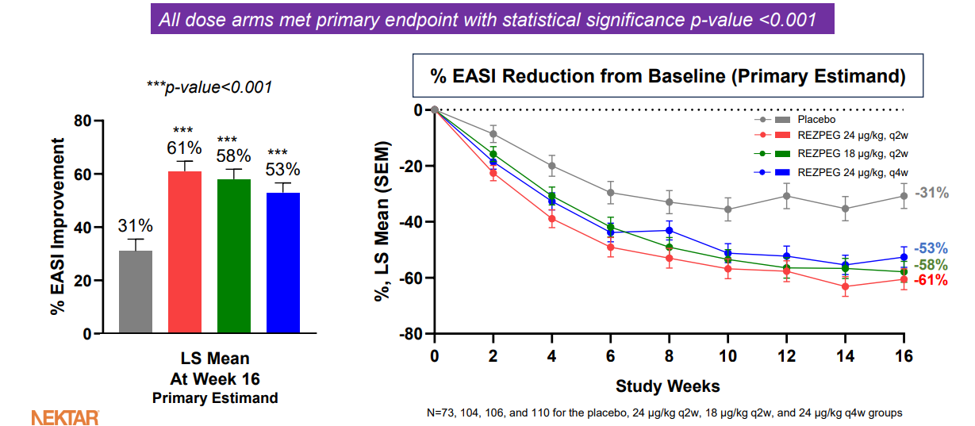
Cash |  | NCT04119557 |  | Type 1 Diabetes Mellitus |  |  | NCT05676749
Debt |  | https://www.nature.com/articles/s41467-024-53384-1 |  |  |  |  | NCT05359211
EV |  | NCT04081350
 |  | https://www.sec.gov/Archives/edgar/data/906709/000121390025088792/ea025784201ex99-1_nektar.htm

 |  | Highlights of the REZOLVE-AD Phase 2b Study | Eczema
 |  | Week 16 Efficacy
 |  |  | 24 µg/kg q2w | 18 µg/kg q2w | 24 µg/kg q4w | Placebo
 |  |  | (high dose) | (middle dose) | (low dose)
 |  | Primary Endpoint | N=104 | N=106 | N=110 | N=73
 |  | Mean improvement in | 61% | 58% | 53% | 31 %
 |  | EASI score from | p<0.001 | p<0.001 | p<0.001
 |  | baseline
 |  | Key Secondary | N=104 | N=106 | N=110 | N=73
 |  | Endpoints
 |  | EASI-75 | 42% | 46% | 34% | 17 %
 |  |  | p<0.001 | p<0.001 | p<0.05
 |  | vIGA-AD 0/1 | 20% | 26% | 19% | 8 %
 |  |  | p<0.05 | p<0.01 | ns
 |  | EASI-90 | 25% | 18% | 17% | 9 %
 |  |  | p<0.05 | ns | ns
 |  | Itch NRS* | 42% | 35% | 23% | 16 %
 |  | (> 4-point reduction) | p<0.01 | p<0.05 | ns
 |  | Mean improvement in | 54% | 48% | 43% | 17 %
 |  | BSA score from | p<0.001 | p<0.001 | p<0.001
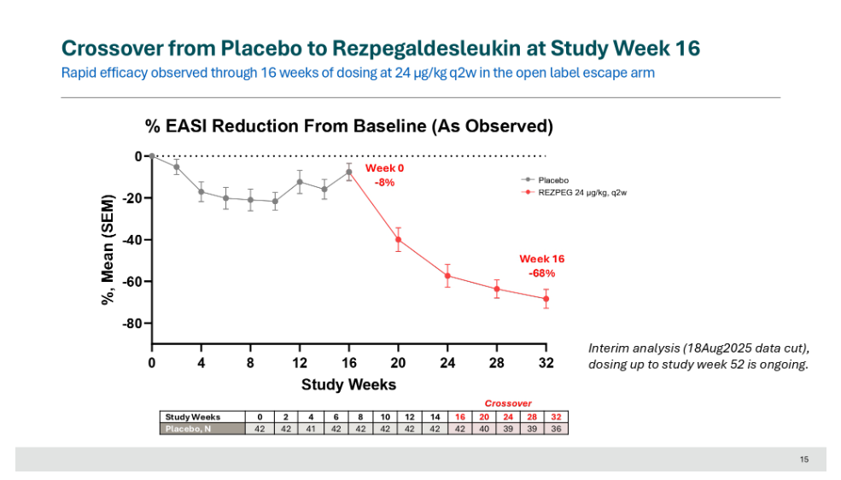
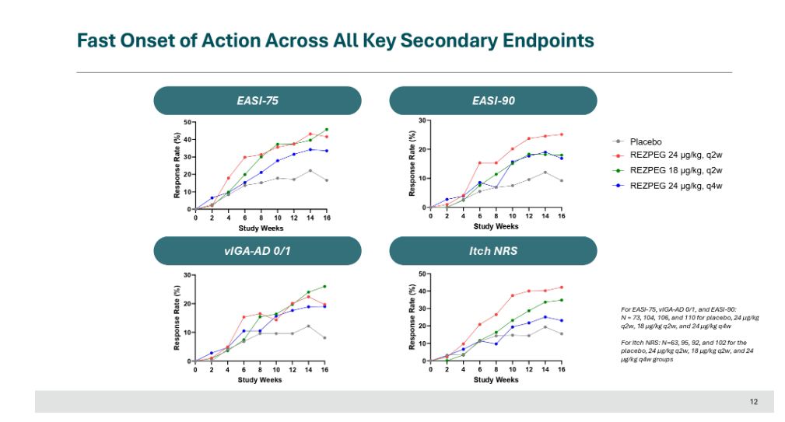
 |  | baseline
 |  | EASI-50 | 66% | 66% | 55% | 34 %
 |  |  | p<0.001 | p<0.001 | p<0.01

